Equipment
Equipment needed for 1 batch of Chicken and Sauce
Gloves
Balance/Scale
Portion Cups of Varying Sizes - 2 oz souffle - 8 oz deli container - 16 oz deli container - 32 oz deli container | 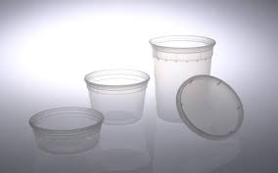 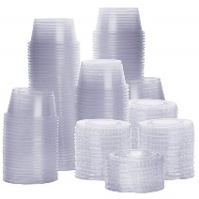
Spatula | 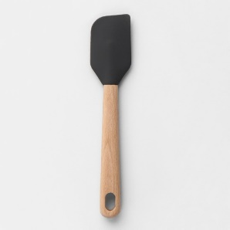
Whisk
Medium Sauce Pan | 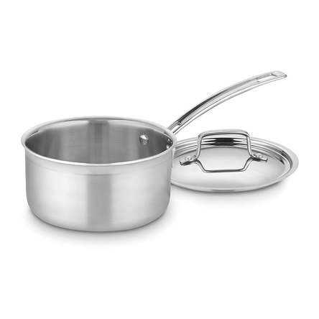
Crockpot, 3 qt | 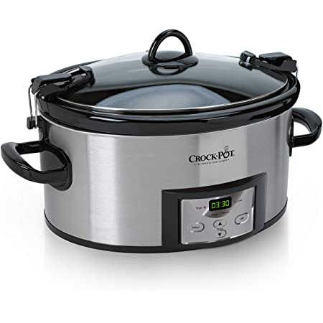
Sheet Tray | 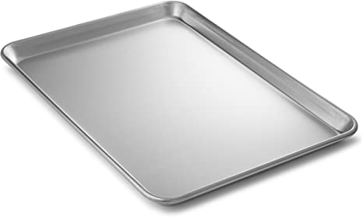
Parchment Paper | 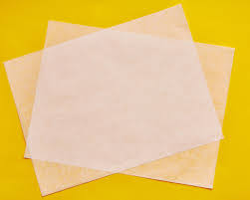
Cutting Board | 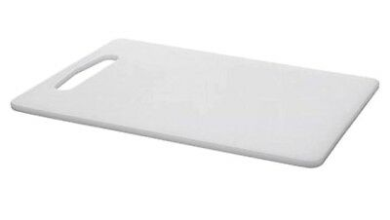
Chef's Knife | 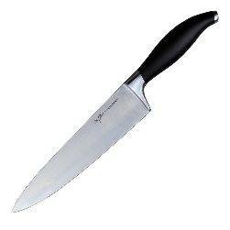
Oven set to 350˚ F | 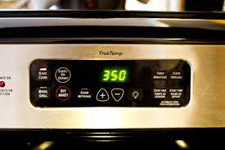

Ingredients
Ingredient needs for 1 batch of OG 001v Chicken and Cream |  |  | Ingredient needs for 1 batch of IP 001v Chicken and Cream |  |  | Ingredient needs for 1 batch of IPS 001v Chicken and Cream
Ingredient | Image | Amount Needed | Ingredient | Image | Amount Needed | Ingredient | Image | Amount Needed
Spray Oil |  | 1-2 sec. spray | Spray Oil |  | 1-2 sec. spray | Spray Oil |  | 1-2 sec. spray
Chicken Tenders, raw | 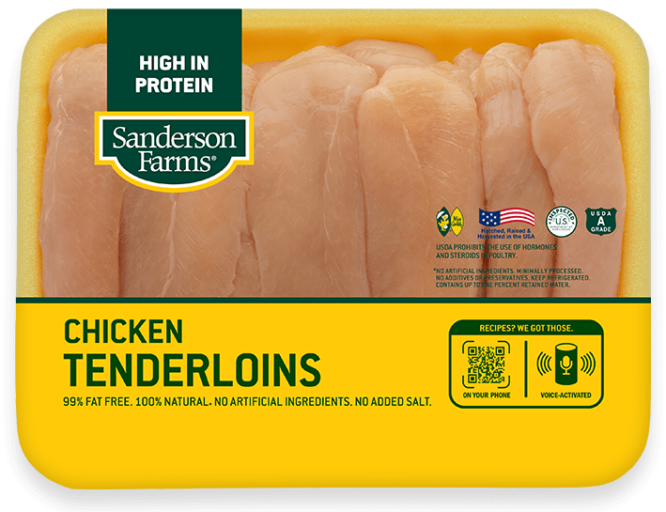 | 2 lb | Chicken Tenders, raw |  | 2 lb | Chicken Tenders, raw |  | 2 lb
Butter, salted |  | 106.97 g | Vegetable Oil |  | 71.31 g | Vegetable Oil |  | 71.31 g
All Purpose Flour |  | 59.64 g | All Purpose Flour |  | 62.58 g | All Purpose Flour |  | 62.52 g
Whole Milk |  | 931.24 g | Skim Milk |  | 488.6 g | Skim Milk |  | 488.6 g
Iodized Salt | 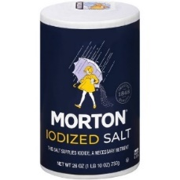 | 22.26 g | Nonfat Evapoarted Milk |  | 488.6 g | Nonfat Evapoarted Milk |  | 488.6 g
 |  |  | Iodized Salt |  | 8.91 g | Iodized Salt |  | 8.91 g
 |  |  |  |  |  | Onion Powder |  | 9 g
 |  |  |  |  |  | Garlic Powder |  | 5.5 g
 |  |  |  |  |  | Mustard Seed, ground |  | 3 g
 |  |  |  |  |  | Black Pepper |  | 1 g
 |  |  |  |  |  | Parsley Flakes | 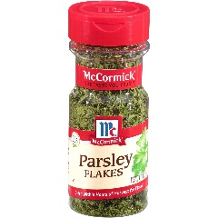 | 0.3 g
 |  |  |  |  |  | Dill Weed |  | 0.2 g

Original
Procedure for OG 001v Cream Sauce
YIELD: 1 quart, 40 Tbsp portions
1. Preheat oven to 350˚F. Line baking sheet with parchment paper. | 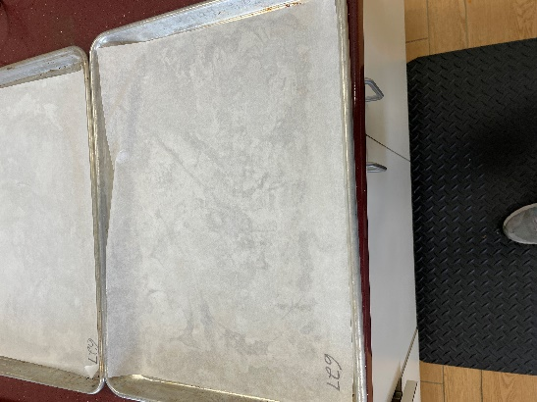
2. Spread 1 lb of chicken tenders on tray and bake for 20-25 minutes until internal temperature reaches 165˚F. | 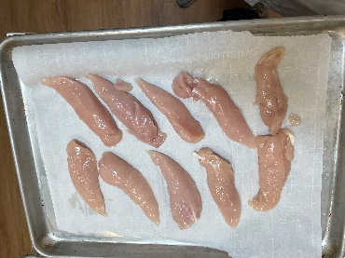 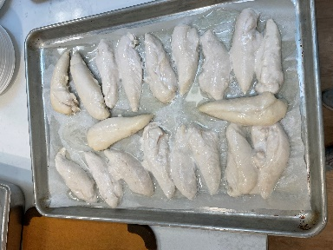
3. Cut chicken tender in half and store in warming cabinet at 165˚F until serving.
4. Collect and scale all ingredients individually: - Butter, salted 106.87g - All-Purpose Flour 59.64g - Whole Milk 931.24g - Salt, iodized 22.26g
5. In a saucepan over medium heat, melt butter. Add flour and whisk to fully mix into butter. Cook, continuing to stir, until mixture bubbles, about 2-4 minutes. | 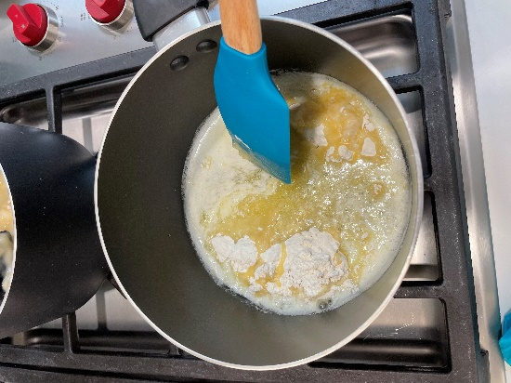
6. Slowly add milk, whisking constantly to avoid lumps. Stir in salt and bring sauce to a boil. Reduce heat to low, and stir continuously until thickened, about 8-10 minutes. Check thickness: Run finger across back of spoon. Sauce should not drip. | 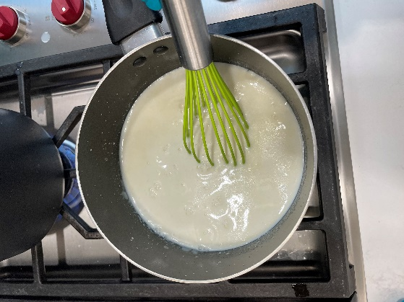 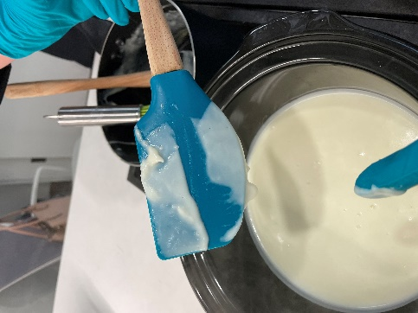
7. Remove from heat. Transfer to crockpot and hold at 165˚ F for no longer than 1 hour.
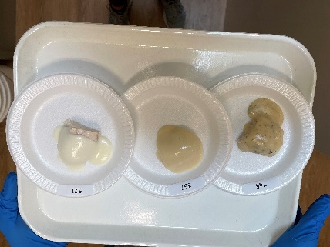
8. TO SERVE: Top 1 half piece of chicken tender with 1 Tbsp cream sauce. Yield: sauce makes roughly 40 Tbsp portions

Nutritionally Improved
Procedure for IP 001v Cream Sauce
YIELD: 1 quart, 40 Tbsp portions
1. Preheat oven to 350˚F. Line baking sheet with parchment paper.
2. Spread 1 lb of chicken tenders on tray and bake for 20-25 minutes until internal temperature reaches 165˚F.
3. Cut chicken tender in half and store in warming cabinet at 165˚F until serving.
4. Collect and scale all ingredients individually - Vegetable Oil 71.31g - All-Purpose Flour 62.58g - Skim Milk 488.6g - Nonfat Evaporated Milk 488.6g - Salt, iodized 8.91g
5. In a saucepan over medium heat, whisk together oil and flour. Cook, continuing to stir, until mixture bubbles, about 2-4 minutes. | 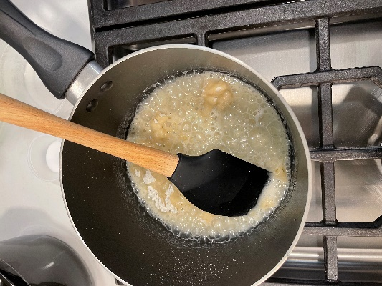
6. Slowly add skim and evaporated milks, whisking constantly to avoid lumps. Stir in salt and bring sauce to a boil. Reduce heat to low, and stir continuously until thickened, about 8-10 minutes. Check thickness: Run finger across back of spoon. Sauce should not drip. | 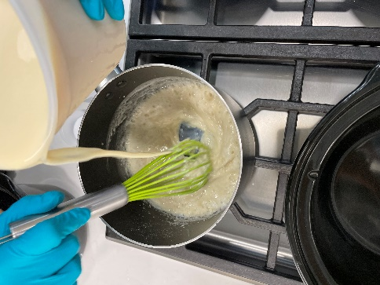 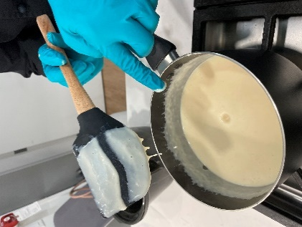
7. Remove from heat. Transfer to crockpot and hold at 165˚ F for no longer than 1 hour.
8. TO SERVE: Top 1 half piece of chicken tender with 1 Tbsp cream sauce. Yield: sauce makes roughly 40 Tbsp portions

Flavored Enhanced Nutritionally
Procedure for IPS 001v Cream Sauce
YIELD: 1 quart, 40 Tbsp portions
1. Preheat oven to 350˚F. Line baking sheet with parchment paper.
2. Spread 1 lb of chicken tenders on tray and bake for 20-25 minutes until internal temperature reaches 165˚F.
3. Cut chicken tender in half and store in warming cabinet at 165˚F until serving.
4. Collect and scale all ingredients individually: - Vegetable Oil 71.31g - All-Purpose Flour 62.58g - Skim Milk 488.6g - Nonfat Evaporated Milk 488.6g - Salt, iodized 8.91g - Onion Powder 9g - Garlic Powder 5.5g - Mustard Seed, ground 3g - Black Pepper 1g - Parsley Flakes 0.3g - Dill Weed 0.2g | 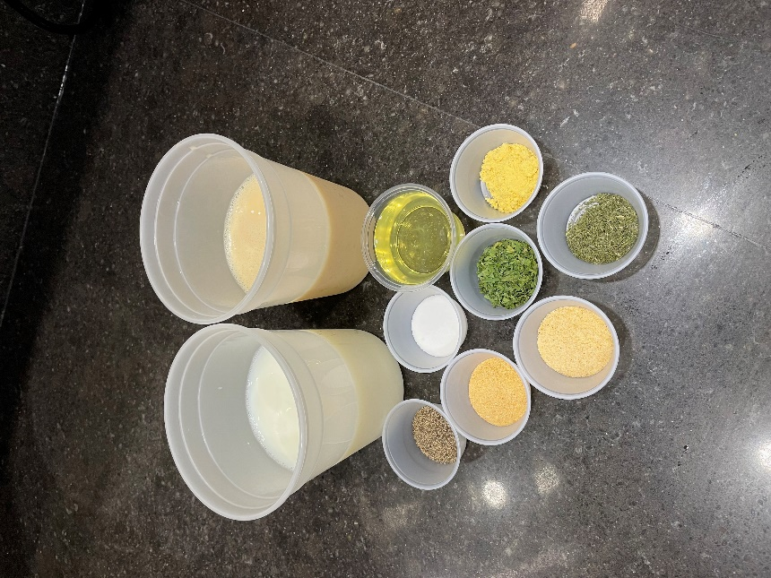
5. In a saucepan over medium heat, whisk together oil and flour. Cook, continuing to stir, until mixture bubbles, about 2-4 minutes. | 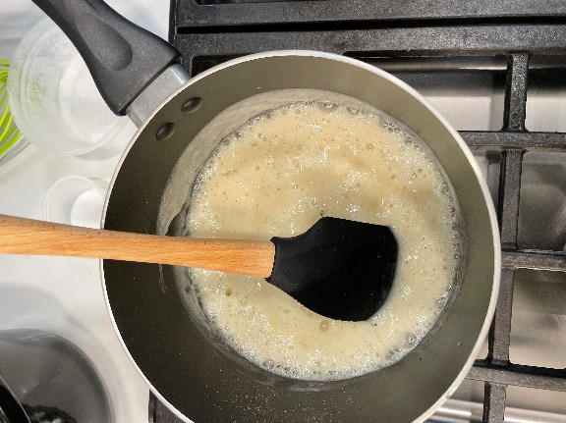
6. Slowly add skim and evaporated milks, whisking constantly to avoid lumps. Stir in salt and seasonings. Bring sauce to a boil. Reduce heat to low, and stir continuously until thickened, about 8-10 minutes. Check thickness: Run finger across back of spoon. Sauce should not drip. | 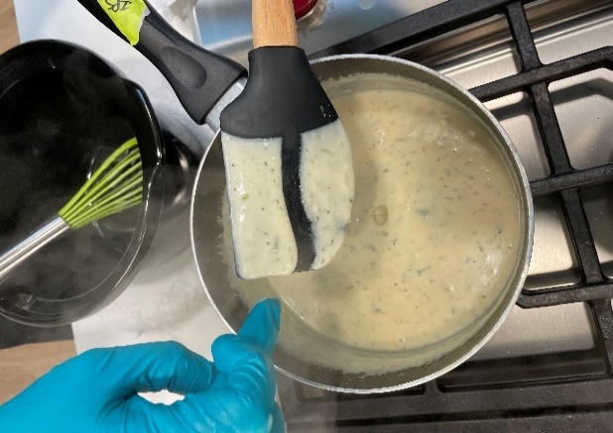
7. Remove from heat. Transfer to crockpot and hold at 165˚ F for no longer than 1 hour.
8. TO SERVE: Top 1 half piece of chicken tender with 1 Tbsp cream sauce. Yield: sauce makes roughly 40 Tbsp portions

